dashboard
Performance by channel
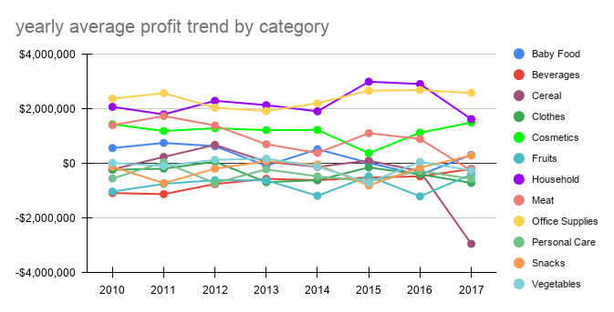

Percentage from total profit by category (2017)
Percentage from total revenue by category (2017)
Percentage from total units sold by category (2017)

ABC analysis
percentile units sold | percentile total revenue | percentile total profit
10.23% | 25.04% | 62.34%
12.13% | 19.94% | 48.22%
6.46% | 16.24% | 39.17%
8.51% | 13.50% | -9.95%
14.44% | 8.28% | 10.18%
9.11% | 5.28% | -6.16%
4.48% | 4.30% | 5.93%
15.77% | 2.81% | -7.08%
4.71% | 1.94% | -11.46%
5.04% | 1.55% | -9.00%
1.08% | 0.83% | -15.76%
8.02% | 0.28% | -6.43%

Percentage from total units sold by category (2017)
Percentage from total revenue by category (2017)
Percentage from total profit by category (2017)

performance by channel
Performance by channel

performance by category
Units Sold by cateory

performance by year and month
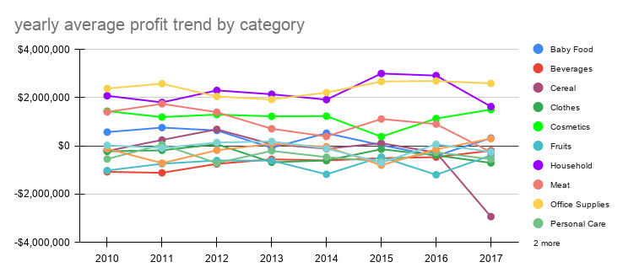

average profit by month

